Sheet1
 | attack | mana cost | class | cost | extras
 |  |  |  |  |  | weapons | attack | mana | class | cost | extra | fire | attack | mana | class | cost | extra | water | attack | mana | class | cost | extra | earth | attack | mana | class | cost | extra | air | attack | mana | class | cost | extra
double sword | 2 | 0 | none | 2
 |  |  |  |  |  | double sword | 2 | 0 | none | 2 |  | fire punch | 2 | 1 | fire | 2 |  | water whip | 2 | 2 | water | 3 |  | rock throw | 1 | 1 | earth | 1 |  | gust of air | 1 | 1 | air | 2
 |  |  |  |  |  | water club | 1 | 0 | none | 1 |  | fire kick | 3 | 3 | fire | 4 |  | wave attack | 4 | 3 | water | 4 |  | ground stomp | 3 | 3 | earth | 3 |  | air leg sweep | 2 aoe | 2 | air | 5
 |  |  |  |  |  | bow | 1 | 0 | none | 1 |  | fire blast | 5 | 4 | fire | 6 |  | water circle | 2 | 4 | water | 6 | 2 block | rock wall | 0 | 3 | earth | 6 | 2 block aoe | staff slam | 4 | 4 | air | 6
water club | 1 | 0 | none | 1

bow | 1 | 0 | none | 1

fire punch | 2 | 1 | fire | 2

fire kick | 3 | 3 | fire | 4

fire blast | 5 | 4 | fire | 6

water whip | 2 | 2 | water | 3

wave attack | 4 | 3 | water | 4

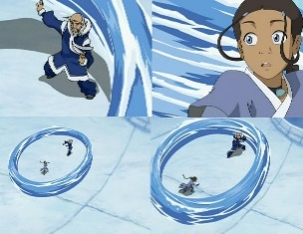

water circle | 2 | 4 | water | 6 | 2 block

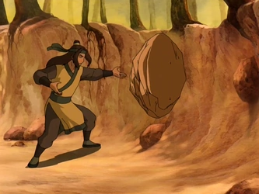

rock throw | 1 | 1 | earth | 1

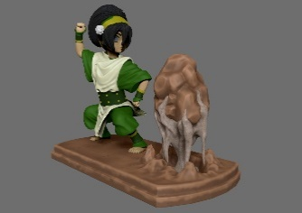

ground stomp | 3 | 3 | earth | 3

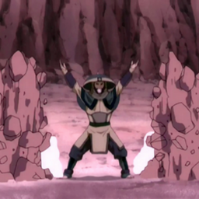
rock wall | 0 | 3 | earth | 6 | 2 block aoe

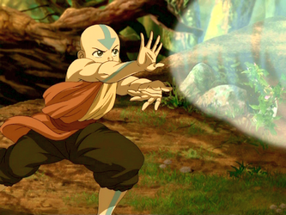

gust of air | 1 | 1 | air | 2

air leg sweep | 2 aoe | 2 | air | 5

staff slam | 4 | 4 | air | 6

